Correlation
With Covariance there is no information about how strong the relationship is, and that’s where correlation comes into the picture

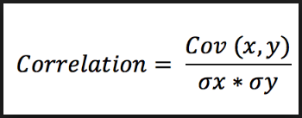
Sr.no | Temperature (X) | No. Of Customers (Y) | Temperature (X - x̅) | No. Of Customers (Y - Ȳ) | Product (X - x̅) * (Y - Ȳ)
1 | 97 | 14 | 9.67 | 3.17 | 30.61
2 | 86 | 11 | -1.33 | 0.17 | -0.22
3 | 89 | 9 | 1.67 | -1.83 | -3.06
4 | 84 | 9 | -3.33 | -1.83 | 6.11
5 | 94 | 15 | 6.67 | 4.17 | 27.78
6 | 74 | 7 | -13.33 | -3.83 | 51.11
 |  |  |  |  |  | COV(x, y) = covariance of the variables x and y
cov (x,y) | 22.466666667 |  |  |  |  | σx = sample standard deviation of variable x
σx = | 8.14 |  |  |  |  | σy = sample standard deviation of variable y
σy= | 3.13
correlation = | 0.88

0.8 shows that strength of the correlation between temperature and number of customers is very strong.

